Hoja1
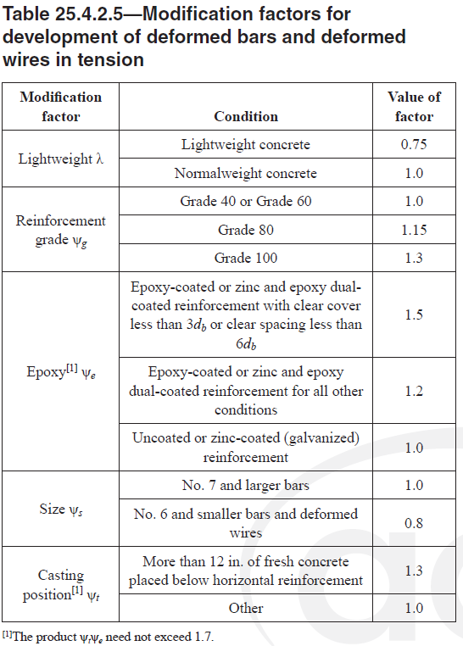
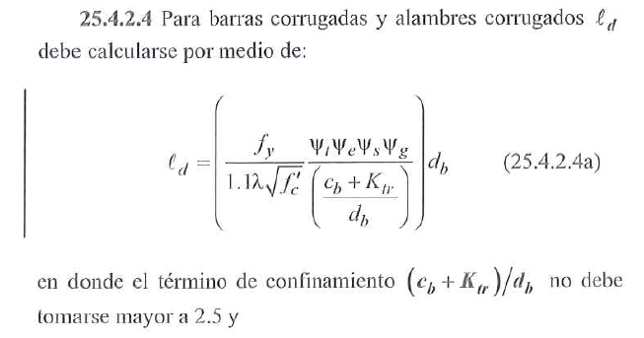
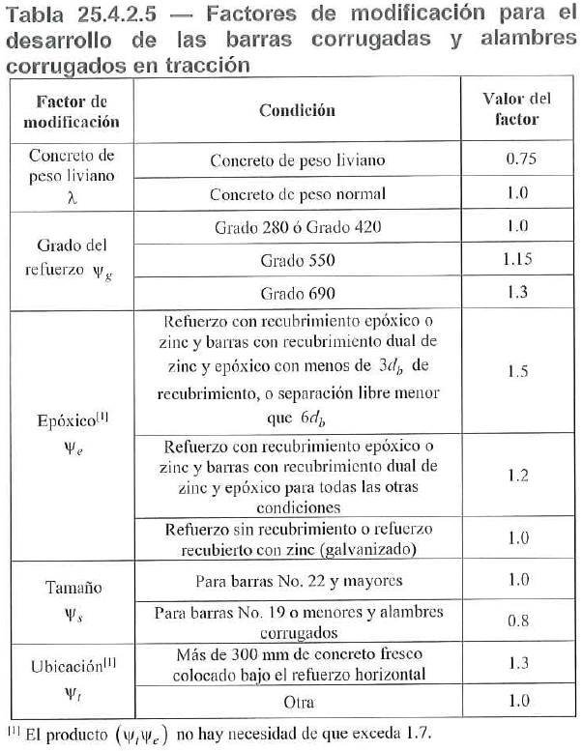
 |  |  |  |  | n barras que se desarrollan |  |  | 420
 |  |  |  |  | 2.000 |  | Concr normal | 550
 |  |  |  |  |  |  | Concr liviano | 690 |  | recub (m) | spacing (m) |  | EST confinamiento | Area [mm²] |  | No.3 | Ast req
 |  |  |  |  |  | f'c= 28 | Concr normal | fy= 420 |  | 0.060 | 0.100 |  |  | 78.50 |  | No.4 | As colocado
 |  |  |  |  |  | 5.2915026221 |  |  |  | ψo = 1.250 |  |  |  |  |  | No.5 | fctr reducc | #DIV/0!
 |  |  |  |  |  | ψc = 0.867

 |  |  |  | fy=420 SIN recub epox |  |  |  |  |  |  |  |  |  |  |  |  | REDUCCIÓN
 | (cb + ktr)/db | ψr = 1.60 | 6 db [mm] | ψs | Barra | Diam [mm] | Area [mm²] | w [kgf/m] | ld | ld [mm] | ldh | ldh [mm] | lg 90° [mm] | lg 180° [mm] | lt | lt [mm] | ld [mm] | ldh [mm] | lt [mm]
 | 2.50 | 1.00 | 60 | 0.8 | 10 | 10 | 78.5 | 0.56 | 300.17 | 300.17 | 118.22 | 150.00 | 150 | 95 | 390.22 | 390.22 | 301 | 150 | 391 | 10 | 78.5
 | 2.50 | 1.00 | 72 | 0.8 | 12 | 12 | 113.1 | 0.994 | 360.21 | 360.21 | 155.41 | 155.41 | 180 | 101 | 468.27 | 468.27 | 361 | 156 | 469 | 12 | 113.1
 | 2.50 | 1.00 | 96 | 0.8 | 16 | 16 | 201.1 | 1.552 | 480.28 | 480.28 | 239.27 | 239.27 | 240 | 113 | 624.36 | 624.36 | 481 | 240 | 625 | 16 | 201.1
 | 2.50 | 1.60 | 108 | 0.8 | 18 | 18 | 254.5 | 2.235 | 540.31 | 540.31 | 456.81 | 456.81 | 270 | 126 | 702.40 | 702.40 | 541 | 457 | 703 | 18 | 254.5
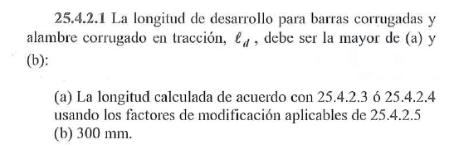
 | 2.50 | 1.60 | 120 | 0.8 | 20 | 20 | 314.2 | 3.042 | 600.35 | 600.35 | 535.02 | 535.02 | 300 | 140 | 780.45 | 780.45 | 601 | 536 | 781 | 20 | 314.2
 | 2.50 | 1.60 | 132 | 1 | 22 | 22 | 380.1 | 3.973 | 825.47 | 825.47 | 617.25 | 617.25 | 330 | 154 | 1073.12 | 1073.12 | 826 | 618 | 1074 | 22 | 380.1
 | 2.50 | 1.60 | 150 | 1 | 25.0 | 25.0 | 490.9 | 5.060 | 938.04 | 938.04 | 747.71 | 747.71 | 400 | 200 | 1219.45 | 1219.45 | 939 | 748 | 1220 | 25 | 490.9
 | 2.50 | 1.60 | 168 | 1 | 28.0 | 28.0 | 616.0 | 6.404 | 1050.60 | 1050.60 | 886.26 | 886.26 | 448 | 224 | 1365.78 | 1365.78 | 1051 | 887 | 1366 | 28 | 616
 | 2.50 | 1.60 | 180 | 1 | 30.0 | 30.0 | 706.9 | 7.907 | 1125.65 | 1125.65 | 982.89 | 982.89 | 480 | 240 | 1463.34 | 1463.34 | 1126 | 983 | 1464 | 30 | 706.9
 | 2.50 | 1.60 | 192 | 1 | 32 | 32 | 804.2 | 8.907 | 1200.69 | 1200.69 | 1082.80 | 1082.80 | 512 | 256 | 1560.90 | 1560.90 | 1201 | 1083 | 1561 | 32 | 804.2
 | 2.26 | 1.60 | 216 | 1 | 36 | 36 | 1017 | 9.907 | 1493.49 | 1493.49 | 1292.05 | 1292.05 | 576 | 288 | 1941.53 | 1941.53 | 1494 | 1293 | 1942 | 36 | 1017

 |  |  |  |  | Barra | Diam [mm] | Area [mm²] | w [kgf/m] | ld [mm] | ldh [mm] | lt [mm] | lg 90° [mm] | lg 180° [mm]
 |  |  |  |  | No.10 | 10 | 78.50 | 0.56 | 301 | 150 | 391 | 150 | 95
 |  |  |  |  | No.12 | 12 | 113.10 | 0.99 | 361 | 156 | 469 | 180 | 101
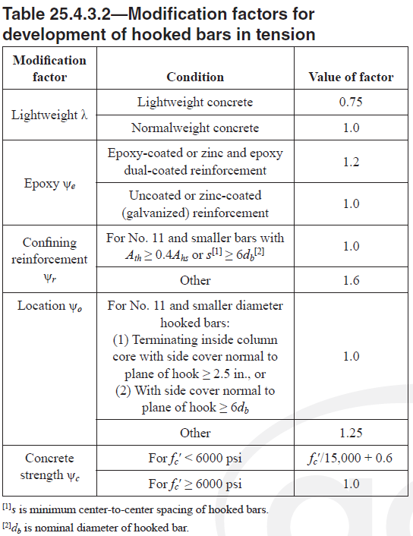
 |  |  |  |  | No.16 | 16 | 201.10 | 1.55 | 481 | 240 | 625 | 240 | 113
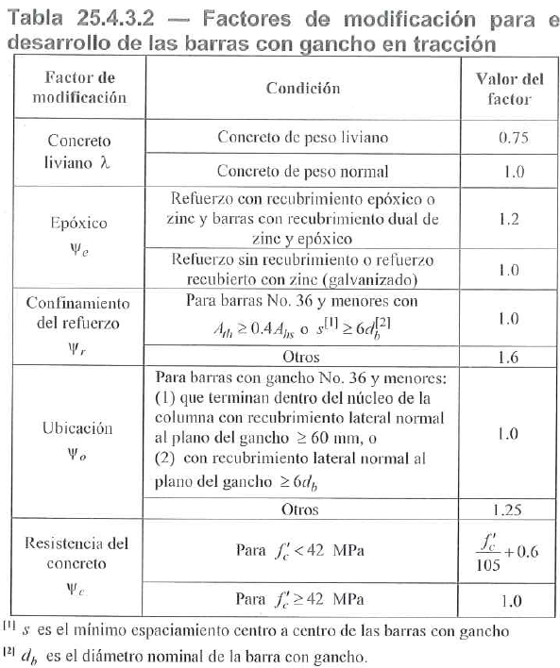
 |  |  |  |  | No.18 | 18 | 254.50 | 2.24 | 541 | 457 | 703 | 270 | 126
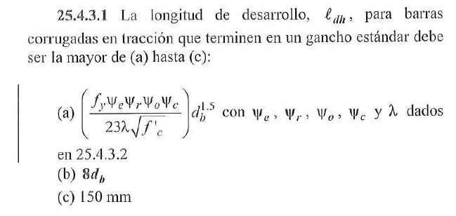
 |  |  |  |  | No.20 | 20 | 314.20 | 3.04 | 601 | 536 | 781 | 300 | 140
 |  |  |  |  | No.22 | 22 | 380.10 | 3.97 | 826 | 618 | 1074 | 330 | 154
 |  |  |  |  | No.25 | 25 | 490.90 | 5.06 | 939 | 748 | 1220 | 400 | 200
 |  |  |  |  | No.28 | 28 | 616.00 | 6.40 | 1051 | 887 | 1366 | 448 | 224
 |  |  |  |  | No.30 | 30 | 706.90 | 7.91 | 1126 | 983 | 1464 | 480 | 240
 |  |  |  |  | No.32 | 32 | 804.20 | 8.91 | 1201 | 1083 | 1561 | 512 | 256
 |  |  |  |  | No.36 | 36 | 1017.00 | 9.91 | 1494 | 1293 | 1942 | 576 | 288

 |  |  |  |  |  |  |  |  |  | recub = 5 | recub = 7.5
 |  |  |  | MÍNIMO | Barra | Diam [mm] | Area [mm²] | w [kgf/m] | ld [mm] | ldh [mm] | ldh [mm] | lt [mm] | lg 90° [mm] | lg 180° [mm]
 |  |  |  |  | No.3 | 9.5 | 70.88 | 0.56 | 357 | 176 | 150 | 464 | 143 | 65
 |  |  |  |  | No.4 | 12.7 | 126.68 | 0.99 | 477 | 271 | 217 | 620 | 191 | 65
 |  |  |  |  | No.5 | 15.9 | 198.56 | 1.55 | 597 | 380 | 304 | 776 | 239 | 65
 |  |  |  |  | No.6 | 19.1 | 286.52 | 2.24 | 717 | 500 | 400 | 932 | 287 | 77
 |  |  |  |  | No.7 | 22.2 | 387.08 | 3.04 | 1042 | 626 | 501 | 1354 | 333 | 89
 |  |  |  |  | No.8 | 25.4 | 506.71 | 3.97 | 1192 | 766 | 613 | 1549 | 381 | 102
 |  |  |  |  | No.9 | 28.575 | 641.40 | 5.07 | 1490 | 914 | 731 | 1936 | 458 | 115
 |  |  |  |  | No.10 | 31.75 | 791.80 | 6.26 | 1862 | 1071 | 857 | 2420 | 508 | 127
 |  |  |  |  | No.11 | 34.925 | 958.00 | 7.57 | 2341 | 1235 | 988 | 3043 | 559 | 140

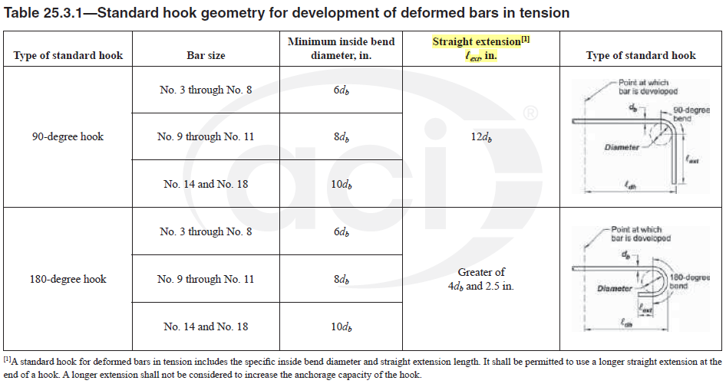
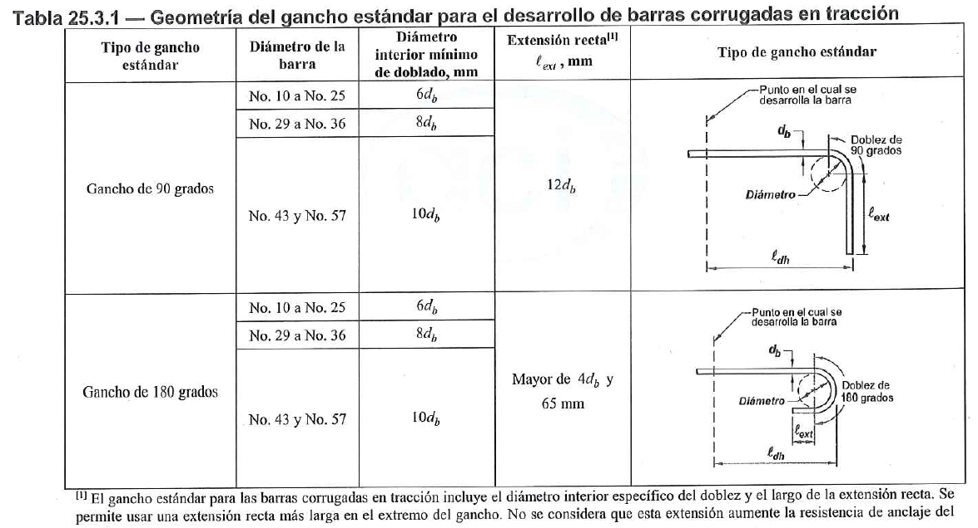
 |  |  |  |  |  |  |  |  |  | recub = 5 | recub = 7.5
 |  |  |  | COMERCIAL | Barra | Diam [mm] | Area [mm²] | w [kgf/m] | ld [m] | ldh [m] | ldh [m] | lt [m] | lg 90° [m] | lg 180° [m]
 |  |  |  | 5 cm | No.3 | 9.5 | 70.88 | 0.56 | 0.40 | 0.20 | 0.15 | 0.50 | 0.15 | 0.10
 |  |  |  |  | No.4 | 12.7 | 126.68 | 0.99 | 0.50 | 0.30 | 0.25 | 0.65 | 0.20 | 0.10
 |  |  |  |  | No.5 | 15.9 | 198.56 | 1.55 | 0.60 | 0.40 | 0.35 | 0.80 | 0.25 | 0.10
 |  |  |  |  | No.6 | 19.1 | 286.52 | 2.24 | 0.75 | 0.50 | 0.40 | 0.95 | 0.30 | 0.10
 |  |  |  |  | No.7 | 22.2 | 387.08 | 3.04 | 1.05 | 0.65 | 0.55 | 1.40 | 0.35 | 0.10
 |  |  |  |  | No.8 | 25.4 | 506.71 | 3.97 | 1.20 | 0.80 | 0.65 | 1.55 | 0.40 | 0.15
 |  |  |  |  | No.9 | 28.6 | 641.40 | 5.07 | 1.50 | 0.95 | 0.75 | 1.95 | 0.50 | 0.15
 |  |  |  |  | No.10 | 31.8 | 791.80 | 6.26 | 1.90 | 1.10 | 0.90 | 2.45 | 0.55 | 0.15
 |  |  |  |  | No.11 | 34.9 | 958.00 | 7.57 | 2.35 | 1.25 | 1.00 | 3.05 | 0.60 | 0.15

Designación | Diam [mm] | Área [mm²] | Masa [kg/m] | 6 db [mm] | ψs
10M | 10 | 78.5 | 0.616 | 60 | 0.8
12M | 12 | 113.1 | 0.887 | 72 | 0.8
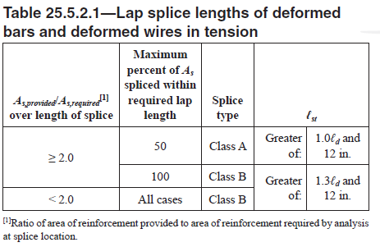
16M | 16 | 201.1 | 1.577 | 96 | 0.8
18M | 18 | 254.5 | 1.996 | 108 | 0.8
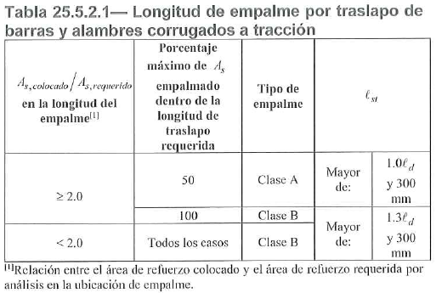
20M | 20 | 314.2 | 2.465 | 120 | 0.8
22M | 22 | 380.1 | 2.982 | 132 | 1
25M | 25 | 490.9 | 3.973 | 150 | 1
28M | 28 | 616 | 4.855 | 168 | 1
30M | 30 | 706.9 | 5.544 | 180 | 1
32M | 32 | 804.2 | 6.309 | 192 | 1
36M | 36 | 1017 | 7.907 | 216 | 1

